Dash Board
 |  |  |  |  | Weekly Progress Report - |  |  |  |  |  |  |  |  |  |  |  |  |  |  |  |  |  |  |  |  | SAFETY |  |  | HRS W/O LTI | FA | Medical | LTI
 |  |  |  |  | 2013-10-04 |  |  |  |  |  |  |  |  |  |  |  |  |  |  |  |  |  |  |  |  |  |  |  | 52976 | 0 | 0 | 0
 |  |  |  |  | Contractor: Al Naboodah Contracting LLC |  |  |  |  |  |  |  |  |  |  |  |  |  |  | CONTRACT START |  | 30-May-13 | CONTRACT FINISH |  | 24-Apr-14
PROJECT PROGRESS SUMMARY |  |  |  |  |  |  |  |  |  |  |  |  |  |  |  |  |  | TOP 5 - CRITICAL ISSUES & INTERFACES |  |  |  |  |  |  |  |  |  | PROGRESS PHOTOS
12 Week Window- Physical Progress
 | Weekly Actual | Weekly Contr BL | Weekly Contr Fcst | Cum Contr BL | Cum Actual | Cum Contr Fcst
23-Aug-13 | 0.970% | 1.38% |  | 1.38% | 0.97%
30-Aug-13 | 0.790% | 1.32% |  | 2.70% | 1.76%
6-Sep-13 | 0.210% | 1.00% |  | 3.70% | 1.97%
13-Sep-13 | 0.400% | 1.32% |  | 5.02% | 2.37%
20-Sep-13 | 0.830% | 1.70% |  | 6.72% | 3.20%
27-Sep-13 | 0.640% | 1.68% |  | 8.40% | 3.84%
4-Oct-13 | 1.040% | 1.58% |  | 9.98% | 4.88%
11-Oct-13 |  | 1.62% |  | 11.60%
18-Oct-13 |  | 0.78% |  | 12.38%
25-Oct-13 |  | 1.99% |  | 14.37%
1-Nov-13 |  | 2.25% |  | 16.62%
8-Nov-13 |  | 2.17% |  | 18.79%
12 Week Window-Financial Progress
 | Weekly Actual | Weekly Contr BL | Weekly Contr Fcst | Cum Contr BL | Cum Actual | Cum Contr Fcst
23-Aug-13 | 0.970% | 0.75% |  | 0.75% | 0.97%
30-Aug-13 | 0.790% | 1.01% |  | 1.76% | 1.76%
6-Sep-13 | 0.010% | 1.43% |  | 3.19% | 0.01%
13-Sep-13 | 0.320% | 1.70% |  | 4.89% | 0.33%
20-Sep-13 | 1.410% | 1.52% |  | 6.41% | 1.74%
27-Sep-13 | 0.320% | 1.65% |  | 8.06% | 2.06%
4-Oct-13 | 0.410% | 0.81% |  | 8.87% | 2.47%
11-Oct-13 |  | 1.91% |  | 10.78%
18-Oct-13 |  | 2.03% |  | 12.81%
25-Oct-13 |  | 1.87% |  | 14.68%
1-Nov-13 |  | 2.00% |  | 16.68%
8-Nov-13 |  | 2.18% |  | 18.86%
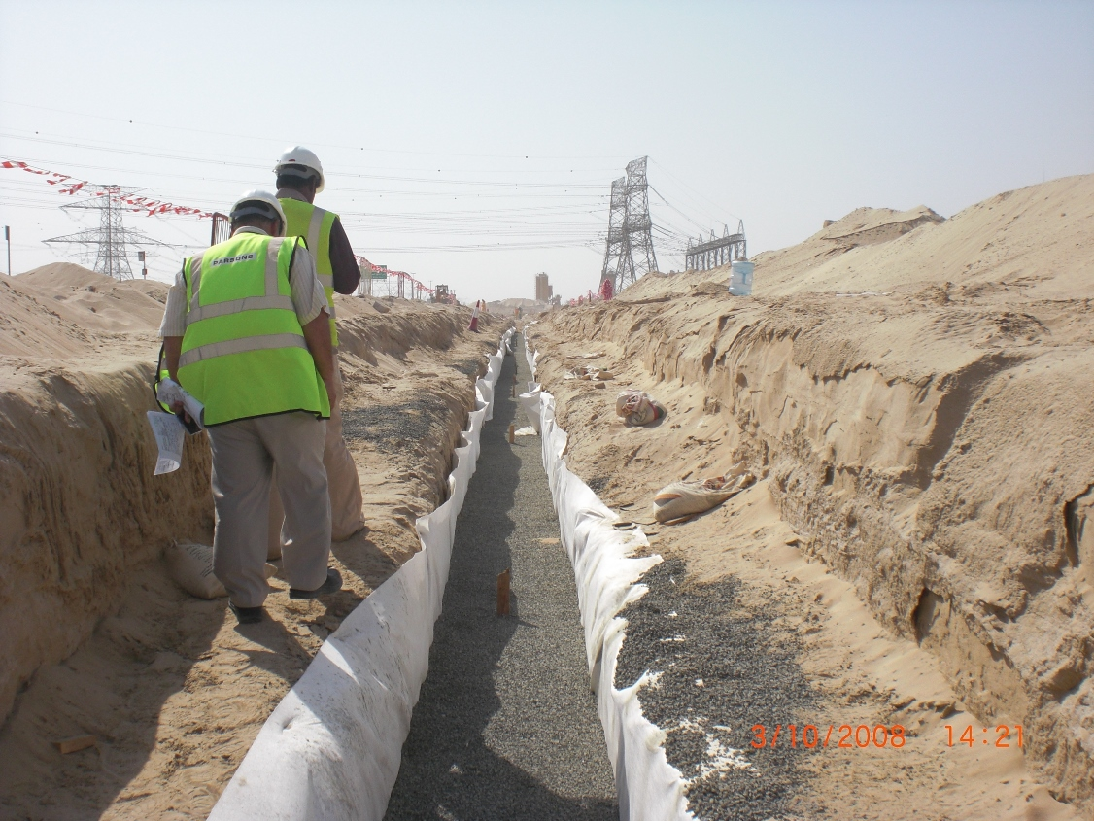
 |  |  |  |  |  |  |  |  |  |  |  |  |  |  |  |  |  | Critical Issue / Interface |  |  |  |  |  |  | Action by |  | Due Date
 |  |  |  |  |  |  |  |  |  |  |  |  |  |  |  |  |  | Affection plan for Sewer pump station |  |  |  |  |  |  | Meraas |  | 24-Sep-13

 |  |  |  |  |  |  |  |  |  |  |  |  |  |  |  |  |  | Malik Abbas expropriation work in Phase 3 |  |  |  |  |  |  | Meraas |  | 25-Sep-13

 |  |  |  |  |  |  |  |  |  |  |  |  |  |  |  |  |  | Etisalat revision contract drawings |  |  |  |  |  |  | Parsons |  | 3-Oct-13

 |  |  |  |  |  |  |  |  |  |  |  |  |  |  |  |  |  | Storm Water Tie In points waiting of approvals |  |  |  |  |  |  | ACC/Parsons |  | 24-Sep-13

Sewer Line gravel surrounding in SR2
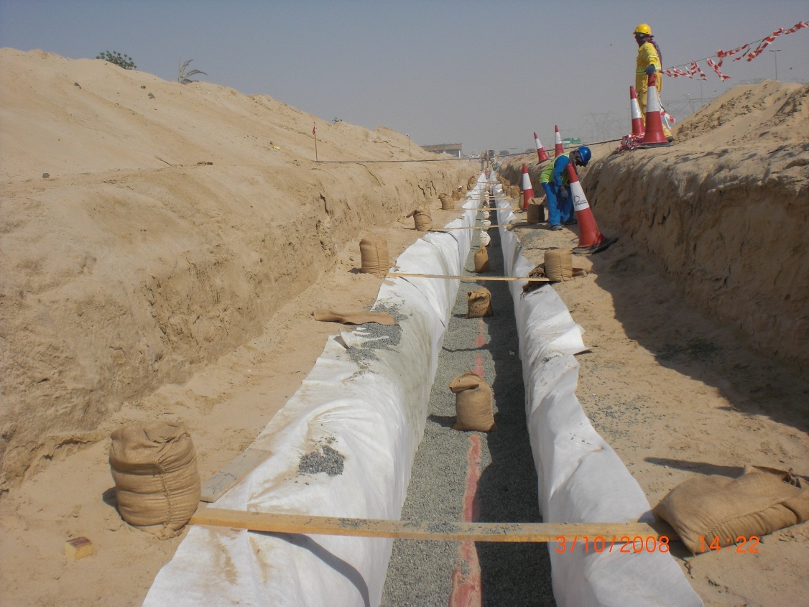
 |  |  |  |  |  |  |  |  |  |  |  |  |  |  |  |  |  | NDRC Methods for the forcemain |  |  |  |  |  |  | Parsons |  | ASAP
Critical Path |  |  |  |  |  |  |  |  |  | Longest Path
Approval of detailed traffic management plan, shop drawings approval of sewer and drainage, Material submittal approvals of drainage works. Clearing of work areas in all phases, Clearing of parked vehicles all work phases followed by earthwork in phase 1 & 2. Expropriation of Malik Abbas site to clear the phase 2 SR1 working area. Phase-3 Sewer line work and Road works are in critical activities. |  |  |  |  |  |  |  |  |  | Expropriation of Malik Abbas in Phase- 2 SR1, Earthworks in SR1, Earth works in SR2, Sewer works in Phase 3 and Road works in Phase 3 are in longest path |  |  |  |  |  |  |  |  |  |  |  |  |  |  |  |  |  |  |  |  |  |  | c
Progress Summary
 |  |  | Cumulative |  |  |  |  | This Week |  |  |  |  | Lookahead
 |  |  | Contractor Baseline (Current) | Contractor Forecast (Sept 13) | Actual | Delta (Act-BL) | Delta (Act-Fcst) | Contractor Baseline (Current) | Contractor Forecast (Sept 13) | Actual | Delta (Act-BL) | Delta (Act-Fcst) |  | W1 | W2 | W3 | W4 | Commentary/ Delay Reasons |  |  |  |  | REMARKS/ Delay Mitigation
Engineering |  |  | 95.05% | 55.47% | 55.47% | -39.58% | 0.00% | 0.49% | 6.03% | 6.03% | 5.54% | 0.00% | BL | 0.17% | 0.16% | 0.48% | 0.39% | Engineering Submittals are now to be in line with requirement at site. Delays to some drawings due to Storm Water tie in point changes. |  |  |  |  | Additional CADD operator is provided to accelerate the shop drawing submissions
 |  |  |  |  |  |  |  |  |  |  |  |  | Fcst | 1.44% | 1.64% | 1.99% | 2.51%
Sewer Line gravel surrounding in SR2
Procurement |  |  | 26.63% | 7.80% | 7.80% | -18.83% | 0.00% | 6.70% | 0.55% | 0.55% | -6.15% | 0.00% | BL | 6.80% | 3.11% | 6.69% | 5.45% | Procurement delayed initially, focus on long lead items shows that all will be delivered in time to 1st Week October approval dates. |  |  |  |  | ACC to follow up with MEP subcontractor to speed up the long lead revised submissions
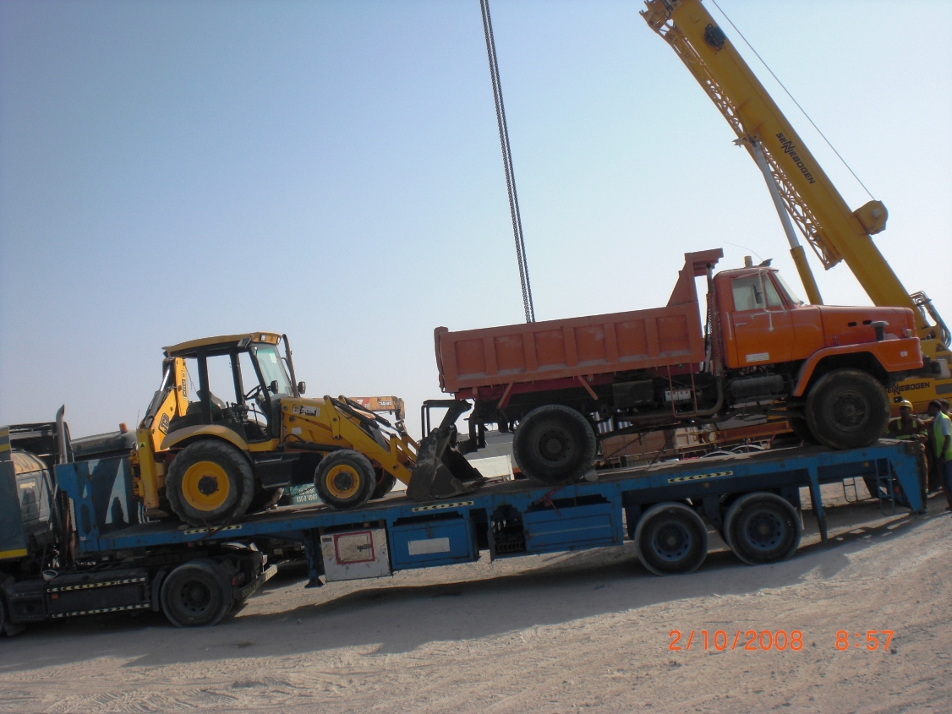
 |  |  |  |  |  |  |  |  |  |  |  |  | Fcst | 1.11% | 1.78% | 1.40% | 2.40%
Construction (P-1) |  |  | 16.11% | 5.94% | 5.94% | -10.17% | 0.00% | 2.50% | 0.92% | 92.00% | 89.50% | 91.08% | BL | 2.22% | 0.99% | 2.82% | 2.54% | Issue with Drainage tie in has affected the engineering and subsequent activities , issue with unforseen 11KV has affected the work at site |  |  |  |  | Other activities are commenced.
 |  |  |  |  |  |  |  |  |  |  |  |  | Fcst | 2.98% | 1.82% | 1.65% | 3.22%
Construction (P-2) |  |  | 0.33% | 0.00% | 0.00% | -0.33% | 0.00% | 0.33% | 0.00% | 0.00% | -0.33% | 0.00% | BL | 1.23% | 0.60% | 1.07% | 1.21% | Not scheduled to start |  |  |  |  | Barrier placing is ongoing
 |  |  |  |  |  |  |  |  |  |  |  |  | Fcst | 0.58% | 0.66% | 0.78% | 1.42%
Construction (P-3) |  |  | 3.91% | 0.00% | 0.00% | -3.91% | 0.00% | 1.13% | 0.00% | 0.00% | -1.13% | 0.00% | BL | 0.26% | 0.20% | 1.44% | 1.33% | Sewage Pump Station to commence on 2nd October 2013 |  |  |  |  | Awaiting affection plan
 |  |  |  |  |  |  |  |  |  |  |  |  | Fcst | 0.58% | 0.66% | 0.45% | 0.95%
Overall |  |  | 14.40% | 6.51% | 6.51% | -7.89% | 0.00% | 1.59% | 1.04% | 1.04% | -0.55% | 0.00% | BL | 1.63% | 0.78% | 1.99% | 1.65% | Base Line program does not allow for mitigation of 26 Days Delay from Design NOC Issuance, This will be shown in the mitigation program. |  |  |  |  | Additional resources to be mobilzed in line with available areas
 |  |  |  |  |  |  |  |  |  |  |  |  | Fcst | 1.75% | 1.09% | 1.25% | 1.51%
Parked vehicle clearing
● Forecast values are from Tentative Mitigation Program
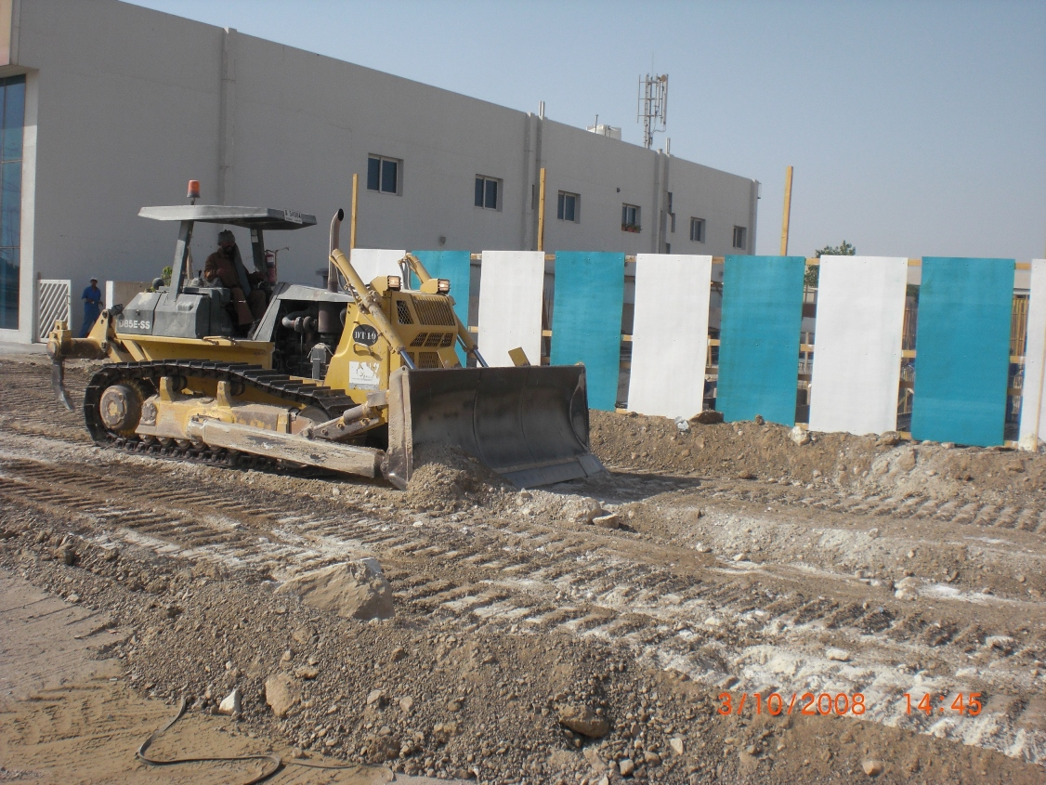
LEAD PROGRESS MEASURES |  |  |  |  |  |  |  |  |  |  |  |  |  |  |  |  |  | PROGRESS DETAILS
 |  |  | Cumulative |  |  | EXPECTED FORECAST |  |  | Lookback |  |  |  | Current | Lookahead
Work Element (Top 5) | Unit | Total Quantities | Contractor Baseline (Current) | Actual | Delta (Act-BL) | EXPECTED QUANTITY | % of Overall |  | W-4 | W-3 | W-2 | W-1 | W0 | W1 | W2 | W3 | W4 | Commentary/ Delay reason | Remark/ Delay mitigation |  | LONG LEAD ITEMS |  |  | DATE REQUIRED ON SITE | FORECAST DATE ON SITE | REMARKS
^Excavation/ Cutting | m3 | 52,074 | 37,587 | 27,353 | (10,234) | 3,642 | 6.99% | BL | 0 | 779 | 0 | 2,260 | 7,975 | 3,988 | 5,423 | 1,631 | 631 | Earthworks started in Road RD7 and SR2. | Road excavation was done. Rd 7 Sta. 7+020 to 7+521; SR2 Sta. 20+540-21+006 |  | LUMINARIES 250W HPSV LUM |  |  | 6-Feb-14 | 24-Dec-13 | With ACC
 |  |  |  |  |  |  |  | Actual/Fcst | 8,792 | 1,216 | 0 | 0 | 0 | 0 | 0 | 0 | 3,642 |  |  |  | SEWERAGE MCC PANEL |  |  | 16-Feb-14 | 18-Feb-14 | With ACC
Pipe Laying (Sewer 200 uPVC) | lm | 4,230 | 1,027 | 547 | (480) | 1,232 | 29% | BL | 111 | 142 | 266 | 243 | 244 | 101 | 113 | 47 | 0 | Excavation has commenced for Sewer in Road RD7, Additional Plant and labour deployed to site | Sewer line is progressing parallely in other roads |  | CARBON DEODORIZER UNIT |  |  | 23-Feb-14 | 7-Jan-14 | With DM
 |  |  |  |  |  |  |  | Actual/Fcst | 0 | 13 | 95 | 73 | 282 | 306 | 293 | 383 | 250 |  |  |  | PRESSURE TRANSMITTER |  |  | 23-Feb-14 | 7-Jan-14 | With DM
Road Cutting in SR2
Backfilling Sewer Line | Lm | 4,230 | 800 | 120 | (680) | 840 | 20% | BL | 73 | 104 | 232 | 208 | 210 | 72 | 75 | 35 | 42 | On going | Backfilling progressing in accordance to plan |  | HYDROSTATIC LEVEL TRANSMITTER |  |  | 23-Feb-14 | 7-Jan-14 | With DM
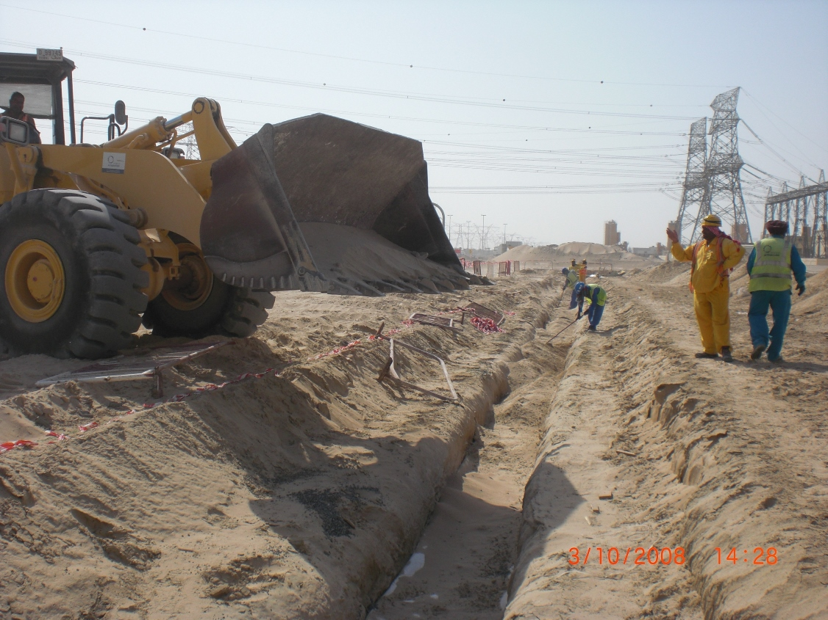
 |  |  |  |  |  |  |  | Actual/Fcst | 0 | 13 | 95 | 73 | 120 | 198 | 204 | 189 | 249 |  |  |  | CABLES FOR STREET LIGHT |  |  | 6-Feb-14 | 24-Dec-13 | With RTA
StormWater excavation | Lm | 2,603 | 433 | 110 | (323) | 600 | 23% | BL | 0 | 70 | 147 | 33 | 183 | 51 | 184 | 208 | 98 | As per plan | Started in advance to mitigate delay of work in phase - 2
 |  |  |  |  |  |  |  | Actual/Fcst | 0 | 0 | 0 | 120 | 125 | 0 | 0 | 52 | 77
Storm Water Pipe Laying | Lm | 2,603 | 433 | 110 | (323) | 600 | 23% | BL | 0 | 70 | 147 | 33 | 183 | 51 | 184 | 208 | 98 | This week commences | Work will proceed with a lag of 4 days from excavation
 |  |  |  |  |  |  |  | Actual/Fcst | 0 | 0 | 0 | 0 | 110 | 0 | 0 | 52 | 77
Shop Drawings Submission | each | 464 | 464 | 74 | (390) | 142 | 31% | BL | 1 | 0 | 0 | 0 | 0 | 0 | 0 | 0 | 0 | Shop Drawings in Progress and will be submitted in line with construction area requirement. | Submissions on going, provided additional CADD Operator
 |  |  |  |  |  |  |  | Actual/Fcst | 10 | 18 | 8 | 0 | 25 | 25 | 25 | 25 | 25
Shop Drawings Approval | each | 464 | 464 | 50 | (390) | 52 | 11% | BL | 9 | 4 | 0 | 0 | 0 | 0 | 0 | 0 | 0 | Forecasting is provided by consultants.
 |  |  |  |  |  |  |  | Actual/Fcst | 6 | 8 | 3 | 0 | 8 | 0 | 0 | 0 | 0
Back filling in progress in SR2
* Shope Drawing approval forecasting with consultants. |  |  | ^ Theoretical quantity from BOQ
At Risk Milestone
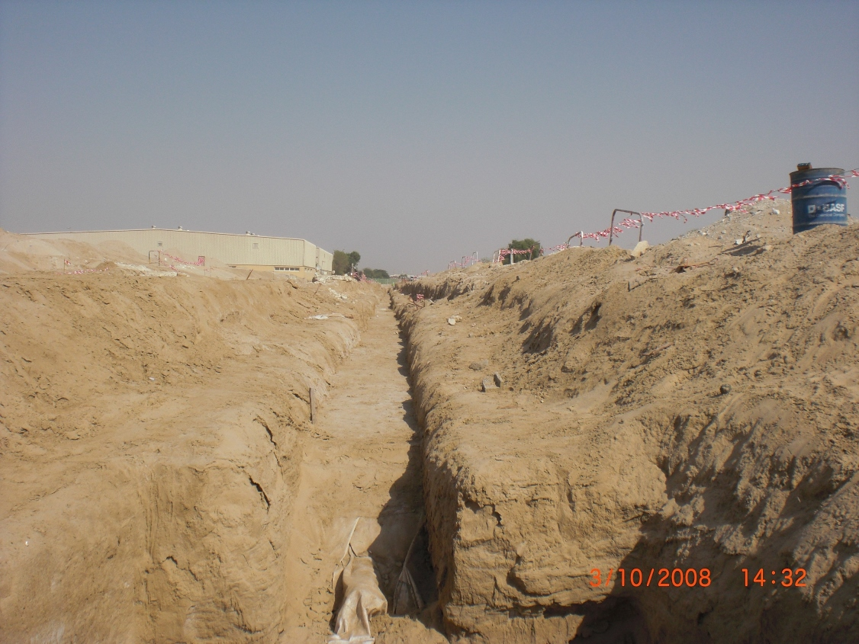
Key Milestones |  |  |  |  |  |  |  |  |  |  |  |  |  |  |  |  |  | Risk and Opportunities |  |  |  |  |  |  | KEY ACHIEVEMENTS
Milestone No. | Milestone Description |  |  |  |  |  |  | Contract Milestone Date | Contractor Fcst / Act |  | Consultant Fcst / Act |  | Remarks |  |  |  |  | Risks |  |  | Action Required by |  | Due Date
 | No Applicable Interim Milestones |  |  |  |  |  |  |  |  |  |  |  |  |  |  |  |  | Clearing of Parked Vehicles |  |  | ACC/ Parsons |  | P1 - cleared P2 - 30 Sep 13 P3 - 8 Oct 13
1 | Completion / Handing Over of Project |  |  |  |  |  |  | 24-Apr-14 | 27-Jun-14 |  |  |  |  |  |  |  |  | Diversion of 11Kv Line in SR1 - Potable water & Sewer Line |  |  | Parsons |  | 12-Oct-13
 |  |  |  |  |  |  |  |  |  |  |  |  |  |  |  |  |  | Long Lead Items approvals |  |  | ACC/ Parsons |  | Pls. refer to Long Lead Items above
 |  |  |  |  |  |  |  |  |  |  |  |  |  |  |  |  |  | Malik abbas expropriation needed to start immediately |  |  | Meraas |  | 8-Oct-13

Back filling of sewer line RD7

